工作表1
Method | Params (Type, Name) | Returns (Type, Name) | Return Values | Exception | Source Code | CFG (each node representing a block or statement) | Basis Paths | Test Requirements (Basis Path Coverage) | Infeasible TRs | Revised TRs | Test Cases | Memo
grade() | 1: int exam, 2: int project | char grade | A, B, C, D, F, X, "not an integer" | n/a | source code with line number (or link) | CFG (or link) | P1: {n1, n2,…, n10}, P2:{n1, n3, …, n10}, P3: ... | {P1, P2, P3, …} | P2: {n1, n3, …, n10} | P2: {n1, n2, n4, n3, …, n10} | T1: {exam=90, project=80}, T2={ …}, … | T1 covers {P1}, T2 covers {P2}, T3 covers {P1, P3}, …
padLeftWithZerosTolength() | 1. String, 2. int | string | 000000000kkk | n/a | 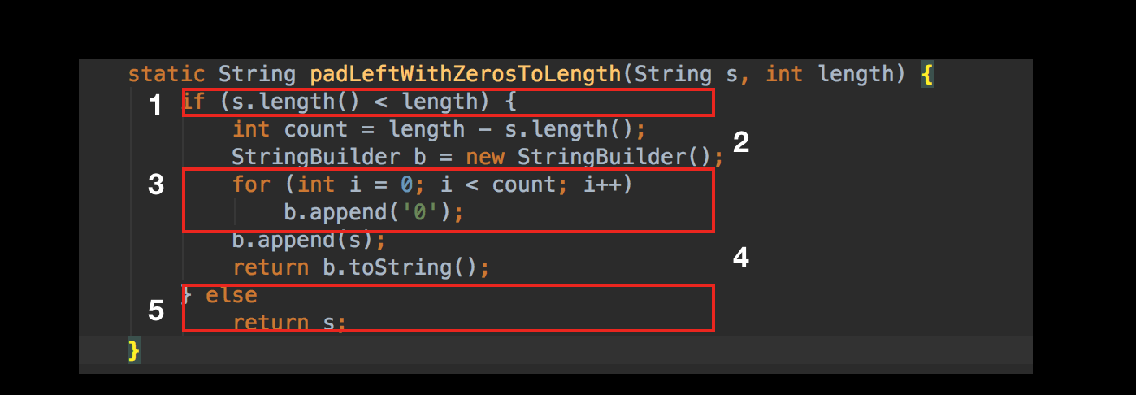 |  | P1: {n1, n2, n3, n4, n6}, P2: {n1, n5, n6} | {P1} | n/a | n/a | T1:{s = "kkk", length = 12} | T1 covers {P1}
encodeBase32() | 1. long, 2. int | string | 29jw | n/a | 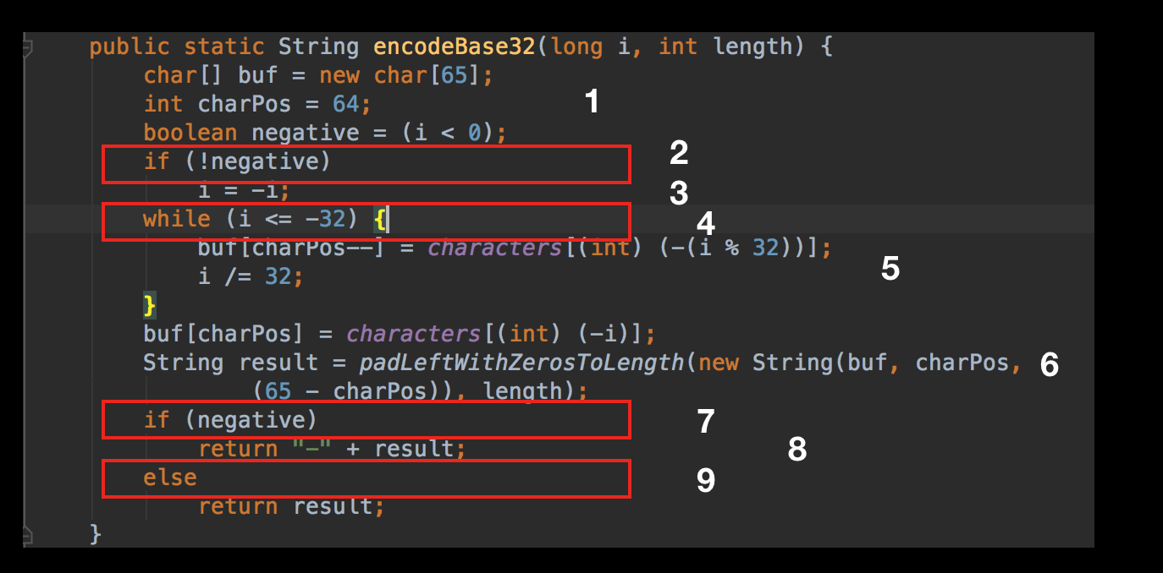 |  | P1: {n1, n2, n3, n4, n6, n7, n9, n10}, P2: {n1, n2, n3, n4, n6, n7, n8, n10}, P3: {n1, n2, n4, n5, n4, n6, n7, n8, n10}, P4: {n1, n2, n4, n5, n4, n6, n7, n9, n10}, P5: {n1, n2, n4, n5, n4, n6, n7, n8, n10}, P6: {n1, n2, n4, n5, n4, n6, n7, n8, n10}, P7: {n1, n2, n4, n6, n7, n8, n10}, P8: {n1, n2, n4, n6, n7, n9, n10} | P8 | n/a | n/a | T1: {i = 75324, length = 4} | T1 covers{P8}
decodeBase32() | 1. string | long | 75324 | n/a | 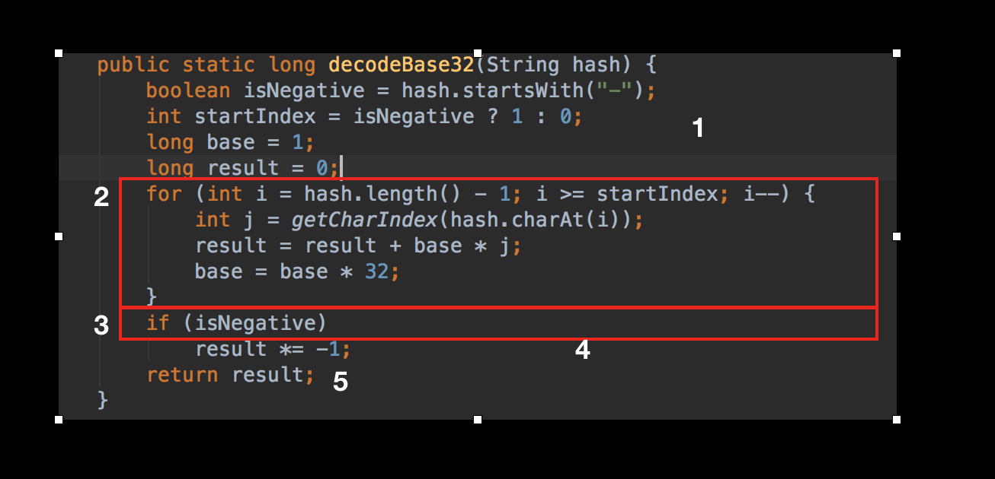 |  | P1: {n1, n2, n3, n4, n6}, P2: {n1, n2, n3, n5, n6} | P2 | n/a | n/a | T1:{hash="29jw"} | T1: covers{P2}
fromLongToString() | 1. long | string | "00" | Yes |  |  | P1:{n1, n2, n3}, P2:{n1, n2, n4, n5, n6, n7} | P2 | n/a | n/a | T1:{hash = 2} | T1 covers {P2}
encodeHashToLong() | 1. double, 2. double, 3. int. | long | -4.6116860184E+18 | n/a | 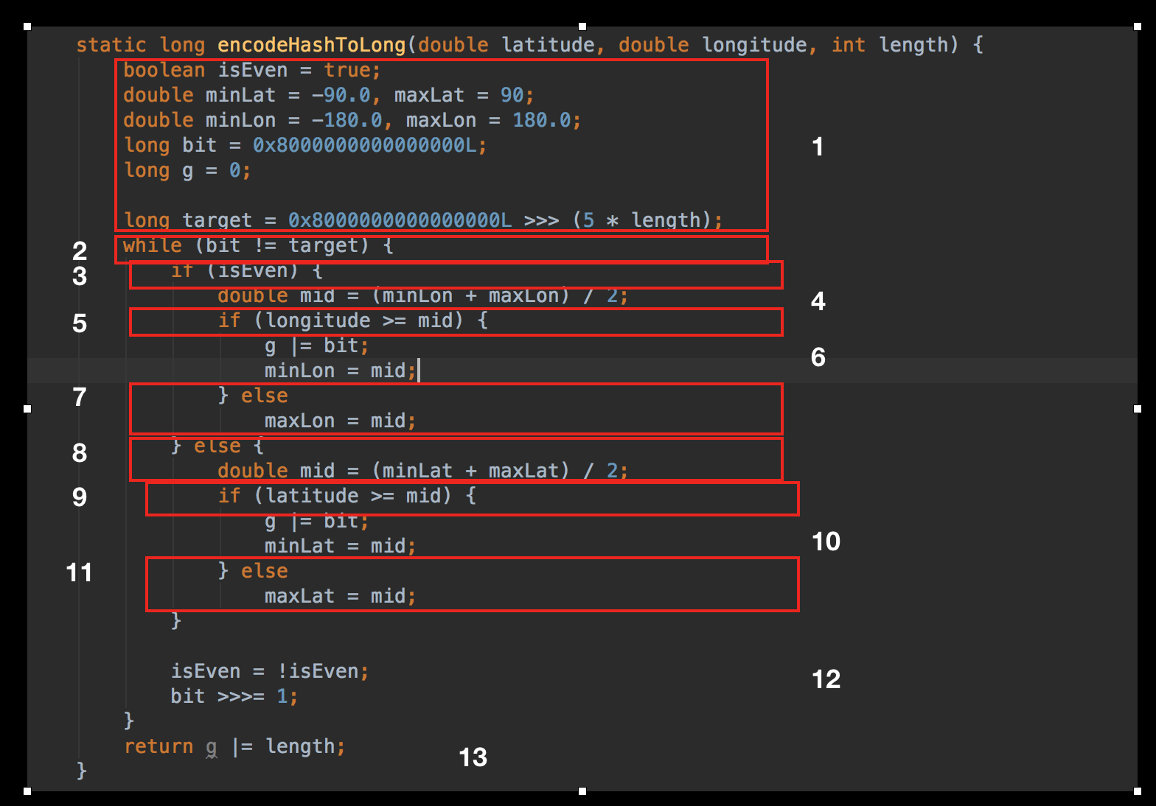 |  | P1: {n1, n2, n3, n4, n5, n6, n12, n2, n13, n14}, P2: {n1, n2, n3, n4, n5, n7, n12, n2, n13, n14}, P3: {n1, n2, n3, n8, n9, n10, n12, n2, n13, n14}, P4: {n1, n2, n3, n8, n9, n11, n12, n2, n13, n14}, P5:{n1, n2, n13, n14} | P1 | n/a | n/a | T1:{latitude = 0.2, longitude = 0.2, length = 2} | T1: covers{P1}
encodeBase32() | 1. long | string | string | n/a
hasNext() | 1. state of iterator | boolean | true, false | n/a
getRatio() | 1. array of long 2. integer 3. double | double | double | n/a
getRatio() | 1. hashset 2. double | double | double | n/a
adjacenthash() | 1. string 2. Direction 3.int | string | string | n/a
add() | 1. double 2. double | string | string | n/a
getCharIndex() | 1. char | int | int | C1
getHashes() | 1.array of long 2.int 3.double | boolean | true, false | n/a
right() | 1. string | string | string | n/a
top() | 1. string | string | string | n/a
encodehash() | 1. Latong | string | string | n/a

